Cover Page
FINANCIAL PLAN
OF
Mr & Mrs


 | Prepared by
 | Money Purse

FINANCIALS

ASSETS & LIABILITIES



REAL ESTATE ASSETS

Name of the Asset | Present Value | OutStanding Loan | Interest Rate | Loan Till | EMI | ROI | Remarks

ACCOUNTS & FIXED DEPOSITS

Bank Name | Account Type | Balance | Interest Rate | Maturity | Remarks


STOCKS, MUTUAL FUNDS, CHITS ETC…

Type | Invested Amnt | Current Value | SIP/Chit Amnt | Start Date | End Date | Remarks
Stocks
Mutual Funds
RD
Chits
Others

 INSURANCE POLICIES

Policy Name | Policy Type | Sum Assured | Premium | PPT | Start Date | End Date | Maturity Amount

 LIABILITIES

Type of Loan | Total Loan Amnt | OutStanding | Interest Rate | Term | EMI
 |  | ₹0.00 | Nill | Nill | Nill
 |  | ₹0.00 | Nill | Nill | Nill
Car Loan
Personal Loan
Other Loans
Total

INFLOWS & OUTFLOWS
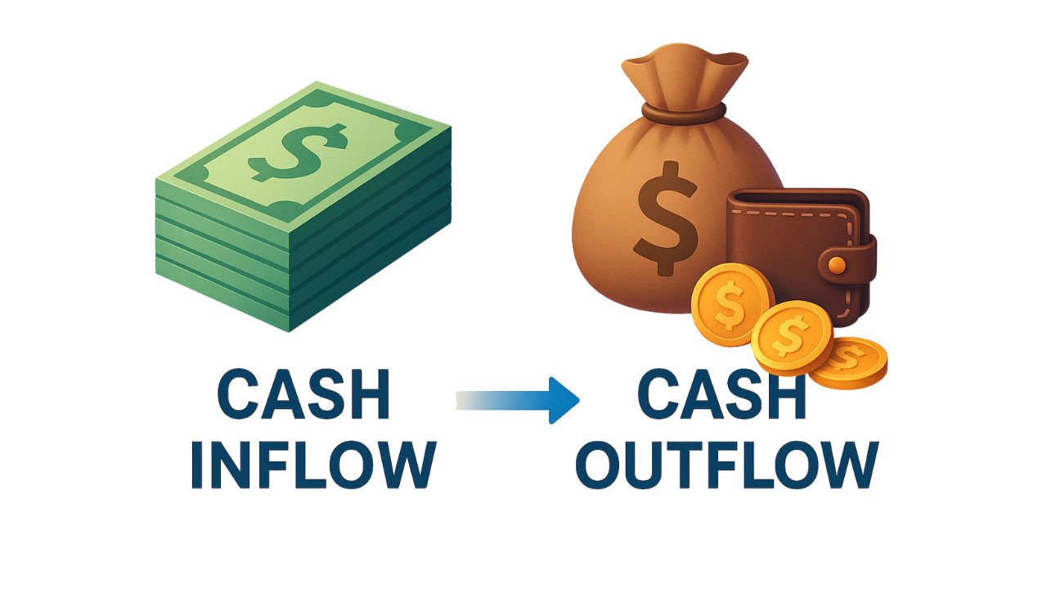
MONTHLY CASH INFLOWS & OUTFLOWS

MONTHLY INFLOWS

Monthly Income
Additional Income
Rental Income
Spouse's Income
Total Monthly Inflow | ₹0.00

MONTHLY OUTFLOWS

House Rent & Maintainance |  |  | Home Loan EMI
Property Tax |  |  | Car Loan EMI
Utilities |  |  | Personal Loan EMI
Groceries |  |  | Other EMIs
Transportation |  |  | Total EMIs | ₹0.00 | #DIV/0!
Medical Expenses |  |  | Mutual Fund SIP | ₹0.00
Children School Fees |  |  | Stock SIP | ₹0.00
Insurance Premiums |  |  | Reccuring Deposit | ₹0.00
Total Essential Expenses | ₹0.00 | #DIV/0! | Others | ₹0.00
Maid expense |  |  | Total Investments | ₹0.00 | #DIV/0!
Shopping
Travel Expenses |  |  | Leftout For the Month | ₹0.00 | #DIV/0!
Dine & Entertainment |  |  | Total Out Flows | ₹0.00
Total Life Style Expenses | ₹0.00 | #DIV/0!
 |  |  | Monthly Expenses | ₹0.00

MONTHLY OUTFLOWS
PARAMETER | EXPENSE | %
Total Essential Expenses | ₹0.00 | #DIV/0!
Total Life Style Expenses | ₹0.00 | #DIV/0!
Total EMIs | ₹0.00 | #DIV/0!
Total Investments | ₹0.00 | #DIV/0!
Leftout For the Month | ₹0.00 | #DIV/0!

Retirement
RETIREMENT PLANNING

Name | Current Age | Age @ Retirement | Pension till Age
0 | 127 |  | 85
0 | 127 | 0

FUTURE VALUE OF PRESENT EXPENSES


Current Monthly Expenses | ₹0.00
Inflation | 6%
Years left to Retire | -127
Expense at Retirement | ₹0.00

RETIREMENT CORPUS CALCULATION

Expense at Retirement | ₹0.00
Pension Required for Months | 1020
Inflation | 6%
Expected Return on Corpus | 8%
Corpus Required | ₹0.00

MONTHLY INVESTMENT REQUIRED

Corpus Required | ₹0.00
Months Left to Retire | -1519
Return on Investment | 12%
Monthly Investment Required | ₹0.00

Lumpsum Amount for Retirement | ₹0.00

Child Future Goals
CHILDREN FUTURE PLANNING


Particulars | 0 |  | 127
 | Graduation | Post Graduation | Marriage
Present Cost | ₹0.00 | ₹0.00 | ₹0.00

Goal Target Age | 0 | 0 | 0
No. of Months Left | -1519 | -1519 | -1519
Inflation | 10% | 10% | 10%
Cost @ the Target Age | ₹0.00 | ₹0.00 | ₹0.00
No. of Months Left | -1519 | -1519 | -1519
Expected Return | 12% | 12% | 12%
Monthly Investment Required | ₹0.00 | ₹0.00 | ₹0.00 | Total Investment Required for | 0 | ₹0.00
Lumpsum Required Right Now | ₹0.00 | ₹0.00 | ₹0.00 | Lumpsum required now for | 0 | ₹0.00



Particulars | 0 |  | 127
 | Graduation | Post Graduation | Marriage
Present Cost | ₹0.00 | ₹0.00 | ₹0.00
Goal Target Age | 0 | 0 | 0
No. of Months Left | -1519 | -1519 | -1519
Inflation | 10% | 10% | 10%
Cost @ the Target Age | ₹0.00 | ₹0.00 | ₹0.00
No. of Months Left | -1519 | -1519 | -1519
Expected Return | 12% | 12% | 12%
Monthly Investment Required | ₹0.00 | ₹0.00 | ₹0.00 | Total Investment Required for | 0 | ₹0.00
Lumpsum Required Right Now | ₹0.00 | ₹0.00 | ₹0.00 | Lumpsum required now for | 0 | ₹0.00

Contingency Fund


CONTINGENCY FUND

Current Monthly Expenses | ₹0.00
No. of Months | 6
Required Contingency Fund | ₹0.00

Protection


INSURANCE COVER REQUIRED

Insurance Cover Required for | 0
Monthly Income | ₹0.00
Current Age | 127
Retirement Age | 60
Expected Growth | 8%
Insurance Cover Required | ₹0.00

Insurance Cover Required for | 0
Monthly Income | 0
Current Age | 127
Retirement Age | 0
Expected Growth | 8%
Insurance Cover Required | ₹0.00

